CDEs
Lymph Nodes - CDE |  |  |  | Prototype worksheet for Lymph Node CDE collection
Group | Essential (y/n) | Feature Name | Options (Responses) | Description of Feature | Provenance (refs) | Comments

Staging data
 | y | single vs. multiple | single; multiple;
 | y | laterality | unilateral-left; unilateral-right; bilateral;
 | y | size of largest cluster | X mm; | use longest dimension (improved clinical-radiologic correlation and adherence to staging systems) | Liu J, Ebrahimi A, Low T-H et al., Predictive value of the 8th edition American Joint Commission Cancer (AJCC) nodal staging system for patients with cutaneous squamous cell carcinoma of the head and neck. J Surg Oncol. 2017;1–8. https://doi.org/10.1002/jso.24883 | are there any sites still using minimal axis? there used to be a few.
 | y | which levels involved | I; II; III; IV; V; VI (a/b when applicable) |  | Som PM, Curtin HD, Mancuso AA. Imaging-based nodal classification for evaluation of neck metastatic adenopathy.AJR Am J Roentgenol. 2000 Mar;174(3):837-44
 | n | non-zone nodes (RP, facial, parotid) | normal; abnormal; |  | Kulzer M, Branstetter BF. Neck Node Anatomy, Imaging Based Level Nodal Classification and Impact of Primary Tumor Site on Patterns of Nodal Metastasis. Semin Ultrasound CT MR. 2017 Oct;38(5):454-465
Other data
 | n | ECS (degree of certainty) | definite; possible; absent | read with high specificity -- only call "definite" if uneqivocal | Chai RL, Rath TJ, Johnson JT, Ferris RL, Kubicek GJ, Duvvuri U, Branstetter BF. Accuracy of Computed Tomography in the Prediction of Extracapsular Spread of Lymph Node Metastases in Squamous Cell Carcinoma of the Head and Neck. JAMA – Otolaryngology Head & Neck Surgery. 2013 Nov 1;139(11):1187-94.
 | n | cystic/solid/necrotic | cystic; solid; necrotic | threshold: 20% or more cystic by volume | Rath TJ, Narayanan S, Hughes MA, Ferris RL, Chiosea SI, Branstetter BF. Solid Lymph Nodes as an Imaging Biomarker for Risk Stratification in Human Papillomavirus-related Oropharyngeal Squamous Cell Carcinoma. AJNR Am J Neuroradiol 2017 Apr 27
 | y | degree of certainty for involvement (NIRADS) | 1; 2; 3; 4 | 1 = negative; 2 = low likelihood; 3 = high likelihood; 4 = definite disease | Krieger DA, Hudgins PA, Nayak GK, Baugnon KL, Corey AS, Patel MR, Beitler JJ, Saba NF, Liu Y, Aiken AH. Initial Performance of NI-RADS to Predict Residual or Recurrent Head and Neck Squamous Cell Carcinoma. AJNR Am J Neuroradiol. 2017 Jun;38(6):1193-1199. doi: 10.3174/ajnr.A5157. Epub 2017 Mar 31
 | n | are these nodes in expected drainage pattern? | Yes; No; |  | Kulzer M, Branstetter BF. Neck Node Anatomy, Imaging Based Level Nodal Classification and Impact of Primary Tumor Site on Patterns of Nodal Metastasis. Semin Ultrasound CT MR. 2017 Oct;38(5):454-465
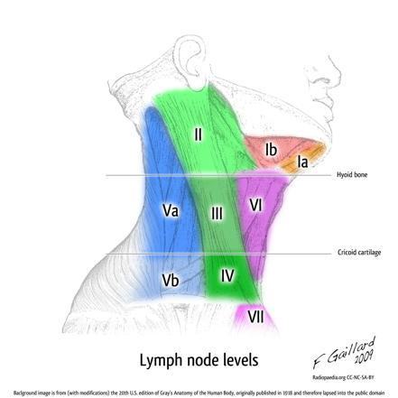
 | y | invasion of critical structures (carotid, prevertebral) | probable, possible, negative (or percentage chance) | rule of thumb: percentage of circumferential arterial contact = likelihood of invasion

Sample dictation template:
[The cervical lymph nodes are normal in size and distribution without pathologic features.]
[[A single pathologic lymph node is][Multiple pathologic lymph nodes are] present in the [right][left][bilateral] neck.
The largest [node][nodal cluster] measures [].
Involved surgical levels include: [Level I,][Level II,][Level III,][Level IV,][Level V,][Level VI,][retropharyngeal,][facial,][intraparotid] nodes.
There is [no] definite radiologic evidence of extracapsular spread.
There is [no] evidence of central necrosis.
The enhancement pattern is [predominantly cystic][predominantly solid].
[These nodes are [not] in the expected drainage pattern of the primary tumor.]
There is [no evidence of invasion of critical structures][probable invasion of the carotid artery][probable invasion of the prevertebral space].]
NIRADS category P[] N[]

Edward Quigleys criteria in this note

